Sheet1
case study 2

A
0 | 1
-2 | -3 |  | λ^2+3λ+2=0

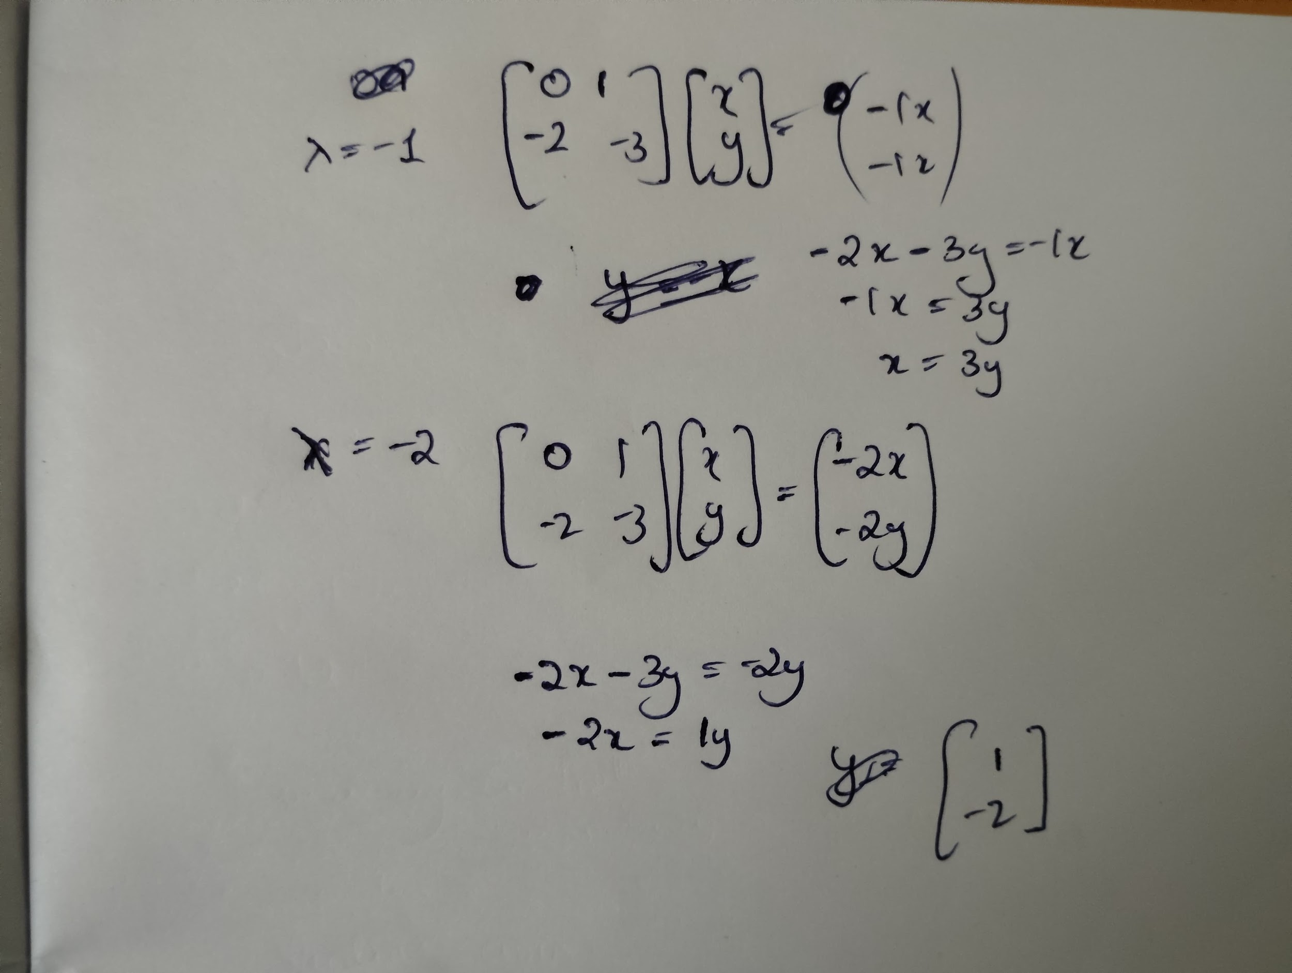
lambda | -1 | -2
Eigen value
-1
-2
Eigen vectors

Eigen vector(-1) | Eigen vector(-2)
-1 | 1
1 | -2

A
2 | -3 | 0
2 | -5 | 0
0 | 0 | 3 |  | From wolframalpha

Eigen Value |  | Eigen vector(-4) | Eigen vector(3) | Eigen vector(1)
-4 |  | 1 | 0 | 3
3 |  | 2 | 0 | 1
1 |  | 0 | 1 | 0

A
-2 | 0 | 1
-5 | 3 | 1
4 | -2 | -1

Eigen value |  | Eigen vector(-3) | Eigen vector(3) | Eigen vector(0)
-3 |  | -1 | 1 | 1
3 |  | -1 | -8 | 1
0 |  | 1 | 5 | 2

A
2 | 4 | -6
7 | 3 | 5
1 | -2 | 4

Inverse A |  |  | MINVERSE(B65:D67)
0.4074074074 | -0.074074074074 | 0.7037037037
-0.42592592593 | 0.25925925926 | -0.96296296296
-0.31481481481 | 0.14814814815 | -0.40740740741

A
1 | 2 | 3
2 | 4 | 5
3 | 5 | 6

Inverse
1 | -3 | 2
-3 | 3 | -1
2 | -1 | 0

A
4 | 3 | 8
6 | 2 | 5
1 | 5 | 9

Inverse
-0.1428571429 | 0.26530612245 | -0.020408163265
-1 | 0.57142857143 | 0.57142857143
0.57142857143 | -0.34693877551 | -0.20408163265

A
2 | 3 | 1
1 | 1 | 2
2 | 3 | 4

Inverse
0.6666666667 | 3 | -1.6666666667
0 | -2 | 1
-0.33333333333 | 0 | 0.33333333333

A |  |  | A transpose
4 | 0 |  | 0.25 | 0
3 | -5 |  | 0.15 | -0.2

U(A*transpose)
1 | 0
0 | 1

